Affordability
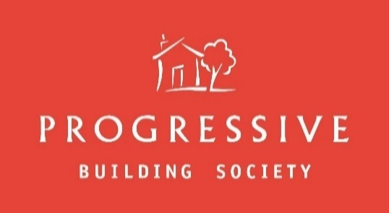
 | Affordability Assessment
Version 0.1 – 19/04/2023
- This tool is for the exclusive use of PBS or for agents working on behalf of PBS and may be used for the purposes defined on the Intermediaries website
www.progressiveforintermediaries.com
- This should not be modified or changed in any way and no attempt should be made to remove the protection on the file.
- This must not be forwarded or shared with any persons other than the mortgage applicant without prior approval of PBS.
- If this tool does not behave as expected please stop using it and report this to PBS.
- If you have received a copy of this file in error please delete it immediately.

 |  |  |  |  |  | Data entry fields
Borrower(s):
Number of Dependants:
Is the loan Greater than 80% LTV?
Remortgage:
Product:
Self Employed
 | All questions above must be completed before continuing!
Standard Income Multiples = Single x 4.25 Joint x 4.25 Up to 80% LTV
Standard Income Multiples = Single x 4.00 Joint x 4.00 Up to 90% LTV
Standard Income Multiples = Single x 3.75 Joint x 3.75 Up to 95% LTV

Income | Gross Annual (1) | Gross Annual (2) | Combined Net Monthly |  |  | Combined Net Monthly | Combined Net Monthly | Combined Net Monthly
 |  |  | £ |  |  | £ | £ | £

Employment | £0.00 | £0.00
Regular Overtime | £0.00 | £0.00
Irregular Overtime | £0.00 | £0.00
Bonus/Commission | £0.00 | £0.00
Rental income | £0.00 | £0.00
Other income | £0.00 | £0.00

Total (A) | £0.00 | £0.00 | £0.00 |  |  | £0.00 | £0.00 | £0.00

Annual (net) | £0.00 | £0.00

Expenditure |  |  | Monthly
 |  |  | £ |  |  | £ | £ | £
Committed expenditure
Loans/HP
Credit cards
Childcare
Alimony/maintenance
Cost of repayment strategy (interest only)
Cost of other mortgages not to be repaid
Total Committed Expenditure |  |  | £0.00

Basic essential expenditure
Housekeeping/food/washing
Gas/electricity/oil
Rates & Ground Rent
Telephone(s)
Buildings insurance
Service Charge
Motoring - Petrol, insurance, tax
Transport
Basic quality of living costs
Clothing
Household goods (furniture, appliances)
Personal goods (toiletries etc)
Basic Recreation
Life insurance/pension
Other
Total Basic Essential/Living Costs |  |  | £0.00

Total (B) |  |  | £0.00 |  |  | £0.00 | £0.00 | £0.00

Disposable Income ( C )
Total (A) - Total (B) = ( C) |  |  |  |  |  | £0.00 | £0.00 | £0.00

 |  | Mortgage Amount (to include added fees) | Duration (years) | Duration (months) | Initial Rate | Initial Deal | Base | Stressed Base
Mortgage Cost (D) |  |  |  |  |  | #DIV/0! | #DIV/0! | #DIV/0!
(Capital + Interest) |  | Please Complete Mortgage Details Above

Net Disposable Income (E) |  |  |  |  |  | #DIV/0! | #DIV/0! | #DIV/0!

Outcome | Please complete all required details to view outcome

Income Multiple Assessment

Standard Income Multiples |  |  | Enhanced Income Multiples
Up to 80% LTV | Single x 4.25 Joint x 4.25 |  | Sole application – minimum income requirement - £40,000 pa basic (excluding overtime / bonuses etc);
Up to 90% LTV | Single x 4.00 Joint x 4.00 |  | Joint application – minimum joint income requirement - £70,000 pa basic (excluding overtime / bonuses etc)
Up to 95% LTV | Single x 3.75 Joint x 3.75 |  | Up to 80% LTV |  |  |  | 5
 |  |  | Up to 85% LTV |  |  |  | 4.75
 |  |  | Up to 90% LTV |  |  |  | 4.5
 |  |  | Up to 95% LTV |  |  |  | 3.9

Comments:

Sign Off: |  |  |  |  |  | Date | 2023-06-02

 |  |  |  |  |  |  | Version: May 2023

